Sheet1
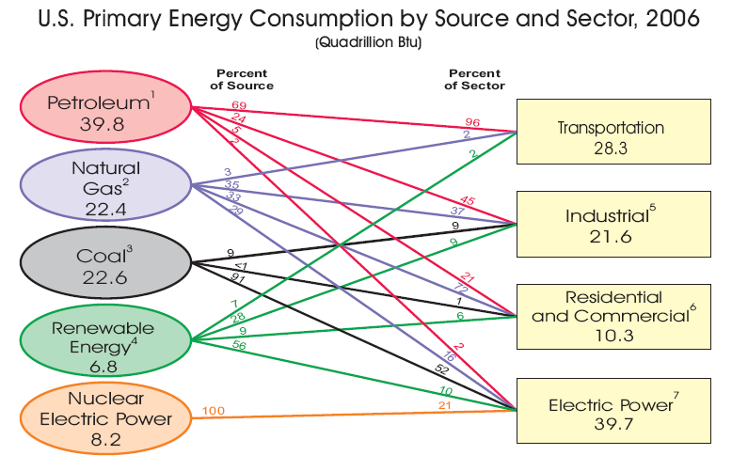
 | DRAFT

 | Energy Equivalency | prepared by Stanley M. Howard
 |  | KJoules | Kcal | Therms | BTU | kW-hr Electricity | Gal of Gasoline | 1000 Ft3 Nat Gas | bbl Oil | 1 US Gal LNG | 1 US Gal Diesel | 1 US Gal Ethanol
1 | 1 kW-hr Electricity | 3,600 | 860 | 0.0341 | 3,413 | 1 | 0.0299 | 0.00379 | 0.000587 | 0.0455 | 0.0263 | 0.0449 | 1 kW-hr Electricity
2 | 1 US Gal Gasoline | 120 | 28,728 | 1.14 | 114,000 | 33.4 | 1 | 0.127 | 0.0196 | 1.52 | 0.877 | 1.50 | 1 US Gal Gasoline
3 | 1000 Ft3 Nat Gas | 949 | 226,800 | 9.00 | 900,000 | 264 | 7.89 | 1 | 0.1548 | 12.0 | 6.92 | 11.8 | 1000 Ft3 Nat Gas
4 | 1 bbl Oil | 6,133 | 1,465,116 | 58.1 | 5,813,953 | 1704 | 51.0 | 6.46 | 1 | 77.5 | 44.7 | 76.5 | 1 bbl Oil
5 | 1 US Gal LNG | 79 | 18,900 | 0.750 | 75000 | 22.0 | 0.658 | 0.0833 | 0.0129 | 1 | 0.577 | 0.987 | 1 US Gal LNG
6 | 1 US Gal Diesel | 137 | 32,760 | 1.30 | 130000 | 38.1 | 1.14 | 0.144 | 0.0224 | 1.73 | 1 | 1.71 | 1 US Gal Diesel
7 | 1 US Gal Ethanol | 80 | 19,152 | 0.760 | 76,000 | 22.3 | 0.667 | 0.0844 | 0.0131 | 1.01 | 0.585 | 1 | 1 US Gal Ethanol

 | Cost Comparison
 |  | Relative to:
 |  |  | 2

 |  | Current Price of Selected Unit $
 |  |  | 2.2

 |  | Equivalent cost of energy based on selection $
 |  |  | 0.07 | 2.20 | 17.37 | 112.20 | 1.45 | 2.51 | 1.47
 |  |  | kW-hr Electricity | Gal of Gasoline | 1000 Ft3 Nat Gas | bbl Oil | 1 US Gal LNG | 1 US Gal Diesel | 1 US Gal Ethanol

 | Electrical Generation | Pros and Cons | Efficiency | Cost, $/MWhr | Build Factor to meet 100%Demand | Interuptable | Other major costs and factors for 100% supply of demand
 | (incomplete) | Hydro | 90% | 30 | 1 | yes | Drought
 |  | Solar | 10% - 18% | 130 | 8 | yes | Night Storage
 |  | Fossil Fuel Combustion | 35 - 55% | 23 | 1 | no | Effluent Control
 |  | Nuclear |  | 40 | 1 | no | Waste Storage/management
 |  | Wind | 40% | 60 | 3 | yes | Variable and needs new power lines

 | Conversion Efficiencies
 | (incomplete) |  | kW-hr Electricity | Gal of Gasoline | 1000 Ft3 Nat Gas | bbl Oil | 1 US Gal LNG | 1 US Gal Diesel | 1 US Gal Ethanol

 | Heating
 |  | Resistance | 100%
 |  | SA HP Air-Air | 110%
 |  | SA HP Ground | 150%
 |  | SA HP Water | 350%
 |  | Combustion
 |  | Hi Eff | 98%
 |  | Std | 80%

 | Propulsion

 | US Energy Source and Sector from US DOE

